Project4308
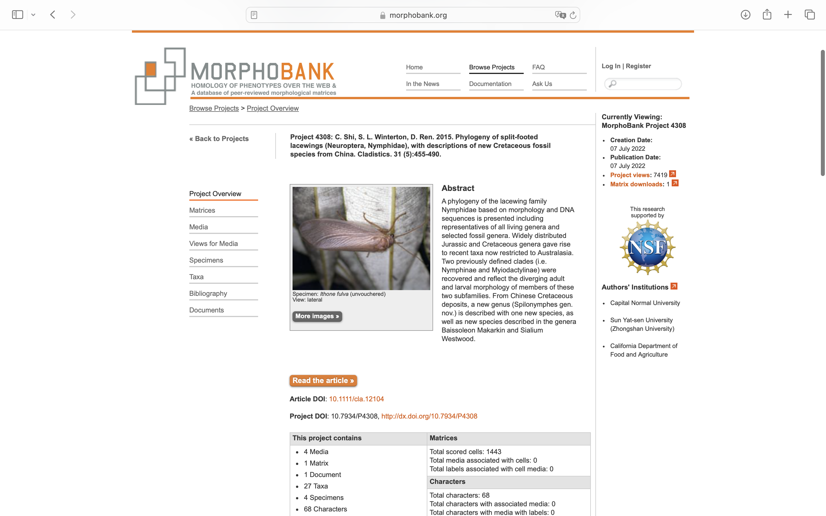
Charlabels | Character Pattern | Unseen States
[1] 'Antennae length' | Transformational | YES
[2] 'Prothorax' | Transformational | YES
[3] 'Tibial spurs' | Neomorphic | NO
[4] 'First tarsal segment' | Transformational | YES
[5] 'Arolium' | Transformational | YES
[6] 'Pattern of wing markings' | Transformational | YES
[7] 'Forewing pterostigma colour' | Neomorphic | NO
[8] 'Hind wing pterostigma colour' | Neomorphic | NO
[9] 'Forewing shape, ratio of forewing length to width' | Transformational | YES
[10] 'Forewing costal space' | Transformational | YES
[11] 'Forewing ScA bulge' | Neomorphic | NO
[12] 'Forewing humeral veinlet' | Transformational | YES
[13] 'Branching of forewing costal crossveins before pterostigma area' | Transformational | YES
[14] 'Forewing costal gradate series' | Neomorphic | NO
[15] 'Forewing subcostal thyridiate crossveins' | NT3;0=0-;1=11;2=12;3=13
[16] 'Forewing costal area after the fusion of Sc and R1' | Transformational | YES
[17] 'Forewing Rs origin' | Transformational | YES
[18] 'Forewing MA separation' | Transformational | NO
[19] 'Forewing Rs branch number' | Transformational | NO
[20] 'Forewing, crossveins between distal Rs branches' | Neomorphic | NO
[21] 'Forewing MP branching' | Transformational | YES
[22] 'Forewing, crossveins between MP2 branches' | Transformational | YES
[23] 'Forewing CuA branches number' | Transformational | NO
[24] 'Forewing, crossveins between CuA branches' | NT2;0=11;1=12;2=0-
[25] 'Forewing CuP space' | Transformational | YES
[26] 'Forewing CuP branching' | Transformational | YES
[27] 'Forewing, crossveins between branches of CuP' | Neomorphic | NO
[28] 'Forewing CuA fork position' | Transformational | NO
[29] 'Forewing, ratio of CuP length to total wing length' | Transformational | YES
[30] 'Forewing, ratio of 1A length to wing length' | Transformational | YES
[31] 'Forewing, 1A fork' | Transformational | YES
[32] 'Forewing 2A and 3A' | Transformational | YES
[33] 'Hind wing shape' | Transformational | YES
[34] 'Hind wing Rs origin' | NT2;0=11;1=12;2=0-
[35] 'Hind wing, crossveins between MP2 branches' | Transformational | NO
[36] 'Hind wing, crossveins between CuA branches' | Neomorphic | NO
[37] 'Hind wing CuA' | NT?;0=11;1=12;2=0-
[38] 'Hind wing CuP branching' | NT?;0=11;1=12;2=0-
[39] '9th tergite' | Transformational | NO
[40] '9th sternite' | Transformational | YES
[41] 'Ectoproct shape' | Transformational | YES
[42] 'Subanal position' | NT?;0=0-;1=11;2=12
[43] 'Mediuncus lateral lobes' | Neomorphic | NO
[44] 'Mediuncus' | Transformational | YES
[45] 'Mediuncus orientation; angle of mediuncus relative to gonarcus' | Transformational | NO
[46] 'Mediuncus dorsal process' | Transformational | YES
[47] 'Mediuncus medioventral process' | Transformational | YES
[48] 'Mediuncus ornamentation' | Transformational | YES
[49] 'Gonarcus shape' | Transformational | YES
[50] 'Gonarcus position (dorsally)' | Transformational | YES
[51] 'Gonarcus position (ventrally)' | Transformational | YES
[52] 'Gonarcus width (lateral view)' | Transformational | YES
[53] 'Entoprocesses' | Neomorphic | NO
[54] 'Position of ventral end of gonarcus and paramere base' | Transformational | YES
[55] 'Membranous area/process around paramere base' | NT?;0=0-;1=11;2=12
[56] 'Paramere dorsal process' | NT?;0=0-;1=11;2=12
[57] 'Paramere apical modification' | NT?;0=0-;1=11;2=12
[58] 'Shape of paramere apical process' | Transformational | YES
[59] 'Gonapsis' | NT?;0=0-;1=11;2=12
[60] 'Membranous processes beneath mediuncus' | Neomorphic | NO
[61] 'Gonosetae' | Neomorphic | NO
[62] 'Stemmata number' | Transformational | YES
[63] 'Antenna length' | Transformational | YES
[64] 'Antennal pedicel' | Transformational | YES
[65] 'Antennal flagellum width' | Transformational | YES
[66] 'Labial palp segments' | Transformational | YES
[67] 'Mandible tooth' | Neomorphic | NO
[68] 'Scoli on meso- and metathorax and abdomen' | Neomorphic | NO

